Intro
A quick tutorial on creating a colour scale for a two-way table.
Click through the tabs to see the process...
The data here is from a simple model of infection spreading through a population of 100 individuals and is the result of a systematic search.
The two parameters investigated are N, the number of initial infections in the population, and p, the probability of transmisssion of the disease when two individuals come into contact.
The metric of interest is the number of ticks to reach 100% infection. The numbers in the table are the mean values of this metric across ten replicate simulations for the corresponding parameters.
 |  |  |  | p
 |  | 0.2 | 0.4 | 0.6 | 0.8 | 1
 | 20 | 24.9 | 9.1 | 5.9 | 3.7 | 2.1
 | 40 | 26.7 | 10.2 | 6.5 | 3.3 | 1.5
N | 60 | 19 | 8.4 | 5 | 3.2 | 1
 | 80 | 17.8 | 6.3 | 4 | 2.5 | 1
 | 100 | 0 | 0 | 0 | 0 | 0

Step 1
STEP ONE Highlight the cells with the data in them.
Then select:
Format > Conditional Formatting
 |  |  |  | p
 |  | 0.2 | 0.4 | 0.6 | 0.8 | 1
 | 20 | 24.9 | 9.1 | 5.9 | 3.7 | 2.1
 | 40 | 26.7 | 10.2 | 6.5 | 3.3 | 1.5
N | 60 | 19 | 8.4 | 5 | 3.2 | 1
 | 80 | 17.8 | 6.3 | 4 | 2.5 | 1
 | 100 | 0 | 0 | 0 | 0 | 0

Step 2
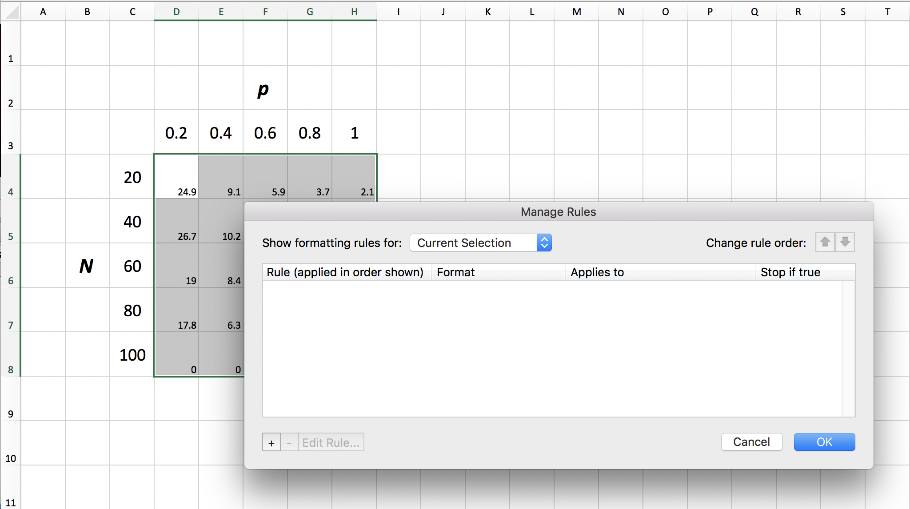
STEP TWO Click the '+' to add a new formatting rule...
[SCREENSHOT]

Step 3
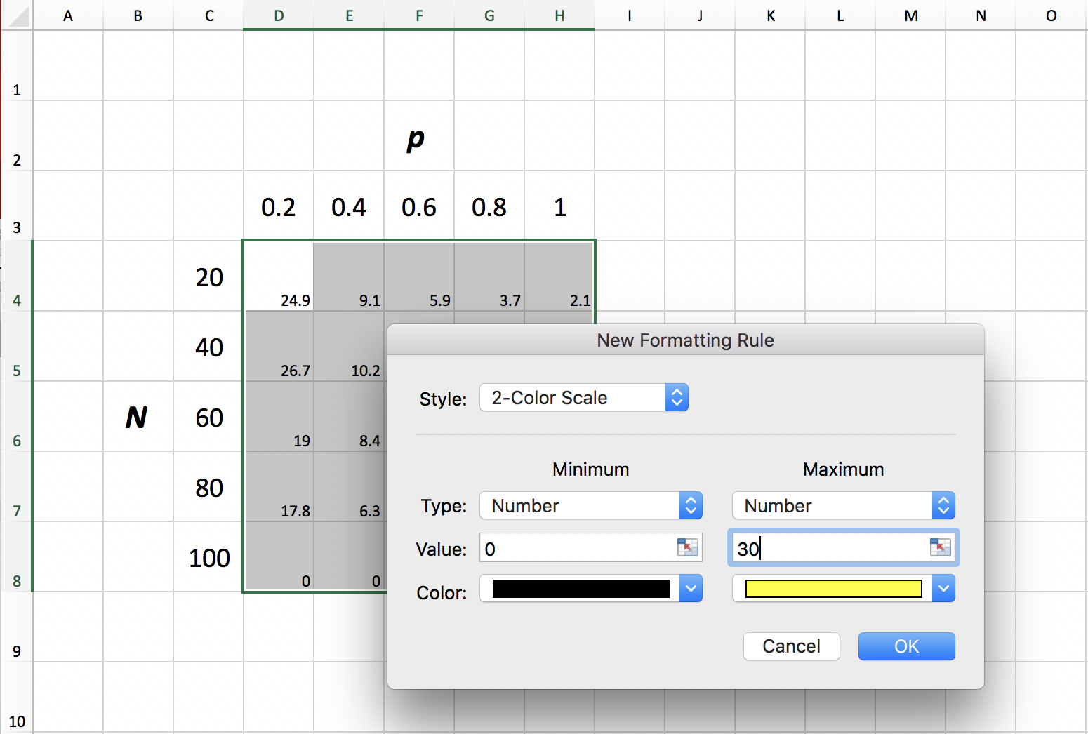
[SCREENSHOT]
[SCREENSHOT]
STEP THREE You have lots of options about how to set up the colour scale.
Here I have set the Minimum and Maximum fields to "Number", allowing me to specify the values corresponding to my two extreme colours. I have chosen 0 and 30, since my data ranges from 0 to 26.7.
Click 'OK' and 'OK' again.

Step 4
STEP FOUR Hmm... It's turned out a bit dark.
Experiment with different colour schemes to get one that works...
 |  |  |  | p
 |  | 0.2 | 0.4 | 0.6 | 0.8 | 1
 | 20 | 24.9 | 9.1 | 5.9 | 3.7 | 2.1
 | 40 | 26.7 | 10.2 | 6.5 | 3.3 | 1.5
N | 60 | 19 | 8.4 | 5 | 3.2 | 1
 | 80 | 17.8 | 6.3 | 4 | 2.5 | 1
 | 100 | 0 | 0 | 0 | 0 | 0

Step 5
STEP FIVE This is better.
If you want to remove the numbers, highlight the coloured cells, and select:
Format > Cells... > Number > Custom
 |  |  |  | p
 |  | 0.2 | 0.4 | 0.6 | 0.8 | 1
 | 20 | 24.9 | 9.1 | 5.9 | 3.7 | 2.1
 | 40 | 26.7 | 10.2 | 6.5 | 3.3 | 1.5
N | 60 | 19 | 8.4 | 5 | 3.2 | 1
 | 80 | 17.8 | 6.3 | 4 | 2.5 | 1
 | 100 | 0 | 0 | 0 | 0 | 0

Step 6
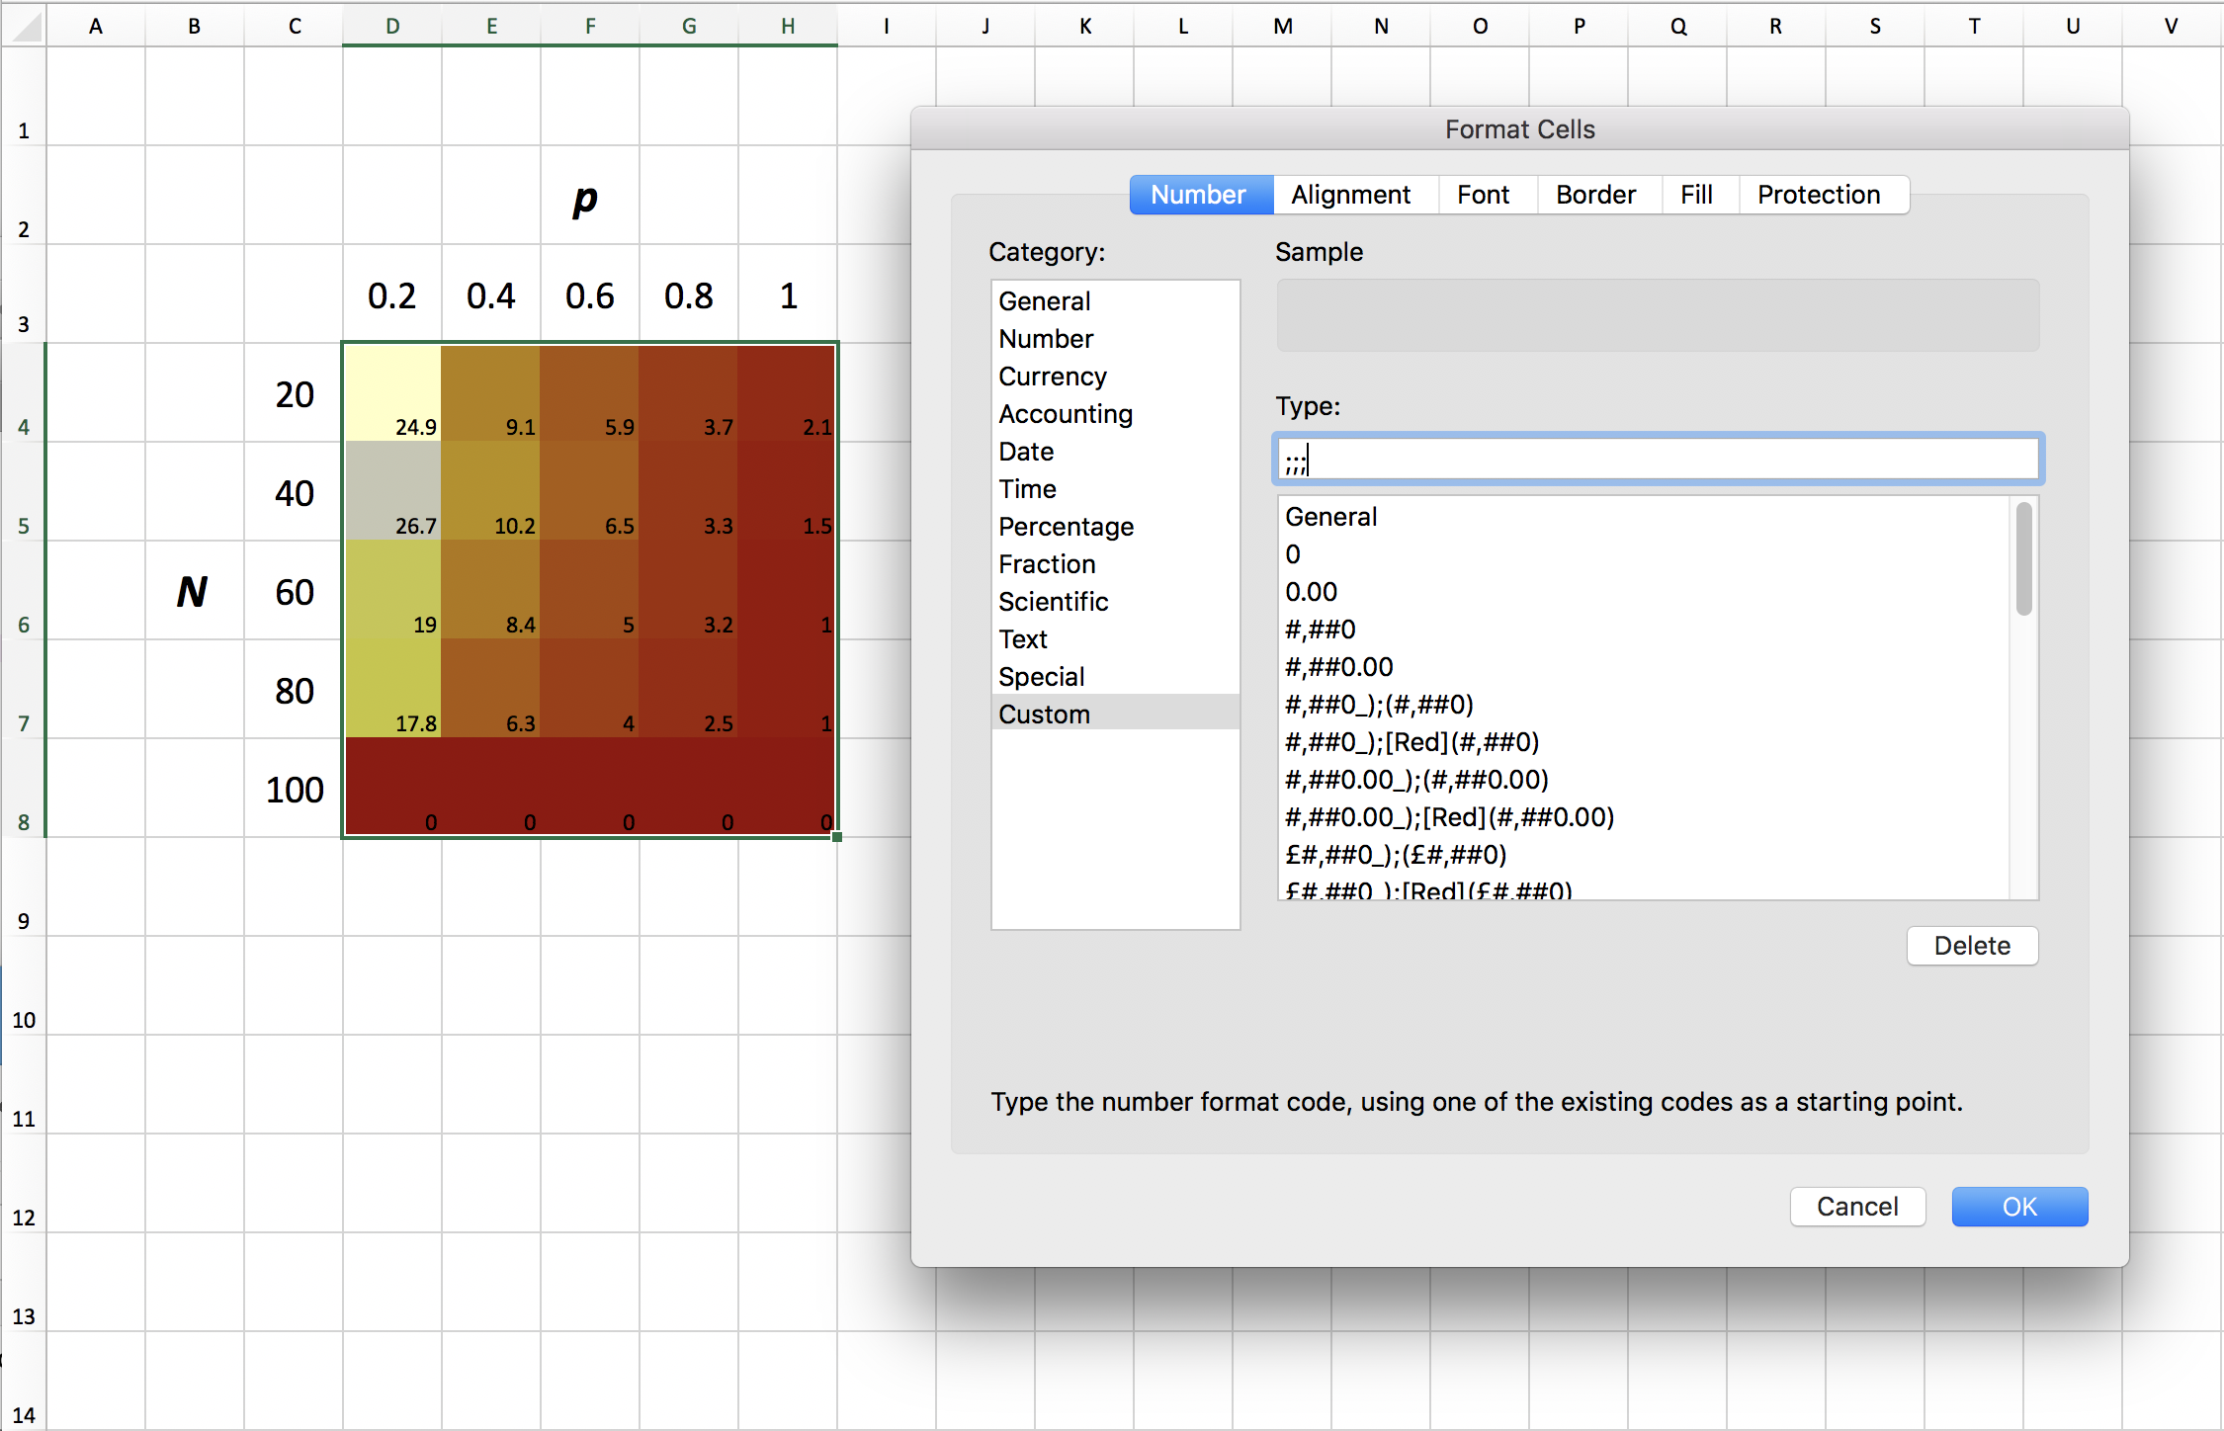
[SCREENSHOT]

STEP SIX Type ;;; into the field and click OK...

Step 7
STEP SEVEN Add some borders like these if you like, with:
Format > Cells... > Border
 |  |  |  | p
 |  | 0.2 | 0.4 | 0.6 | 0.8 | 1
 | 20
 | 40
N | 60
 | 80
 | 100

Step 8
STEP EIGHT Now to create the colour scale. You'll need a new tab.
Create a column of numbers ranging from the maximum value of your colour scale to the minimum value with equal increments (see left).
30
29.5
29
28.5
28
27.5
27
26.5
26
25.5
25
24.5
24
23.5
23
22.5
22
21.5
21
20.5
20
19.5
19
18.5
18
17.5
17
16.5
16
15.5
15
14.5
14
13.5
13
12.5
12
11.5
11
10.5
10
9.5
9
8.5
8
7.5
7
6.5
6
5.5
5
4.5
4
3.5
3
2.5
2
1.5
1
0.5
0

Step 9
30
29.5
29
28.5
28
27.5
STEP NINE Highlight all cells with Ctrl A (PC) or Cmd A (Mac).
Select:
Format > Row > Height...
And set the height of the rows to be very small, as in this tab.
Now highlight the column of values and apply the same colour formatting that you did for your data earlier.
Use the ;;; trick too.
27
26.5
26
25.5
25
24.5
24
23.5
23
22.5
22
21.5
21
20.5
20
19.5
19
18.5
18
17.5
17
16.5
16
15.5
15
14.5
14
13.5
13
12.5
12
11.5
11
10.5
10
9.5
9
8.5
8
7.5
7
6.5
6
5.5
5
4.5
4
3.5
3
2.5
2
1.5
1
0.5
0

Step 10
STEP TEN Adjust the width of the bar and add borders as desired.
Now select:
File > Save As... [or Save a Copy]

Step 11
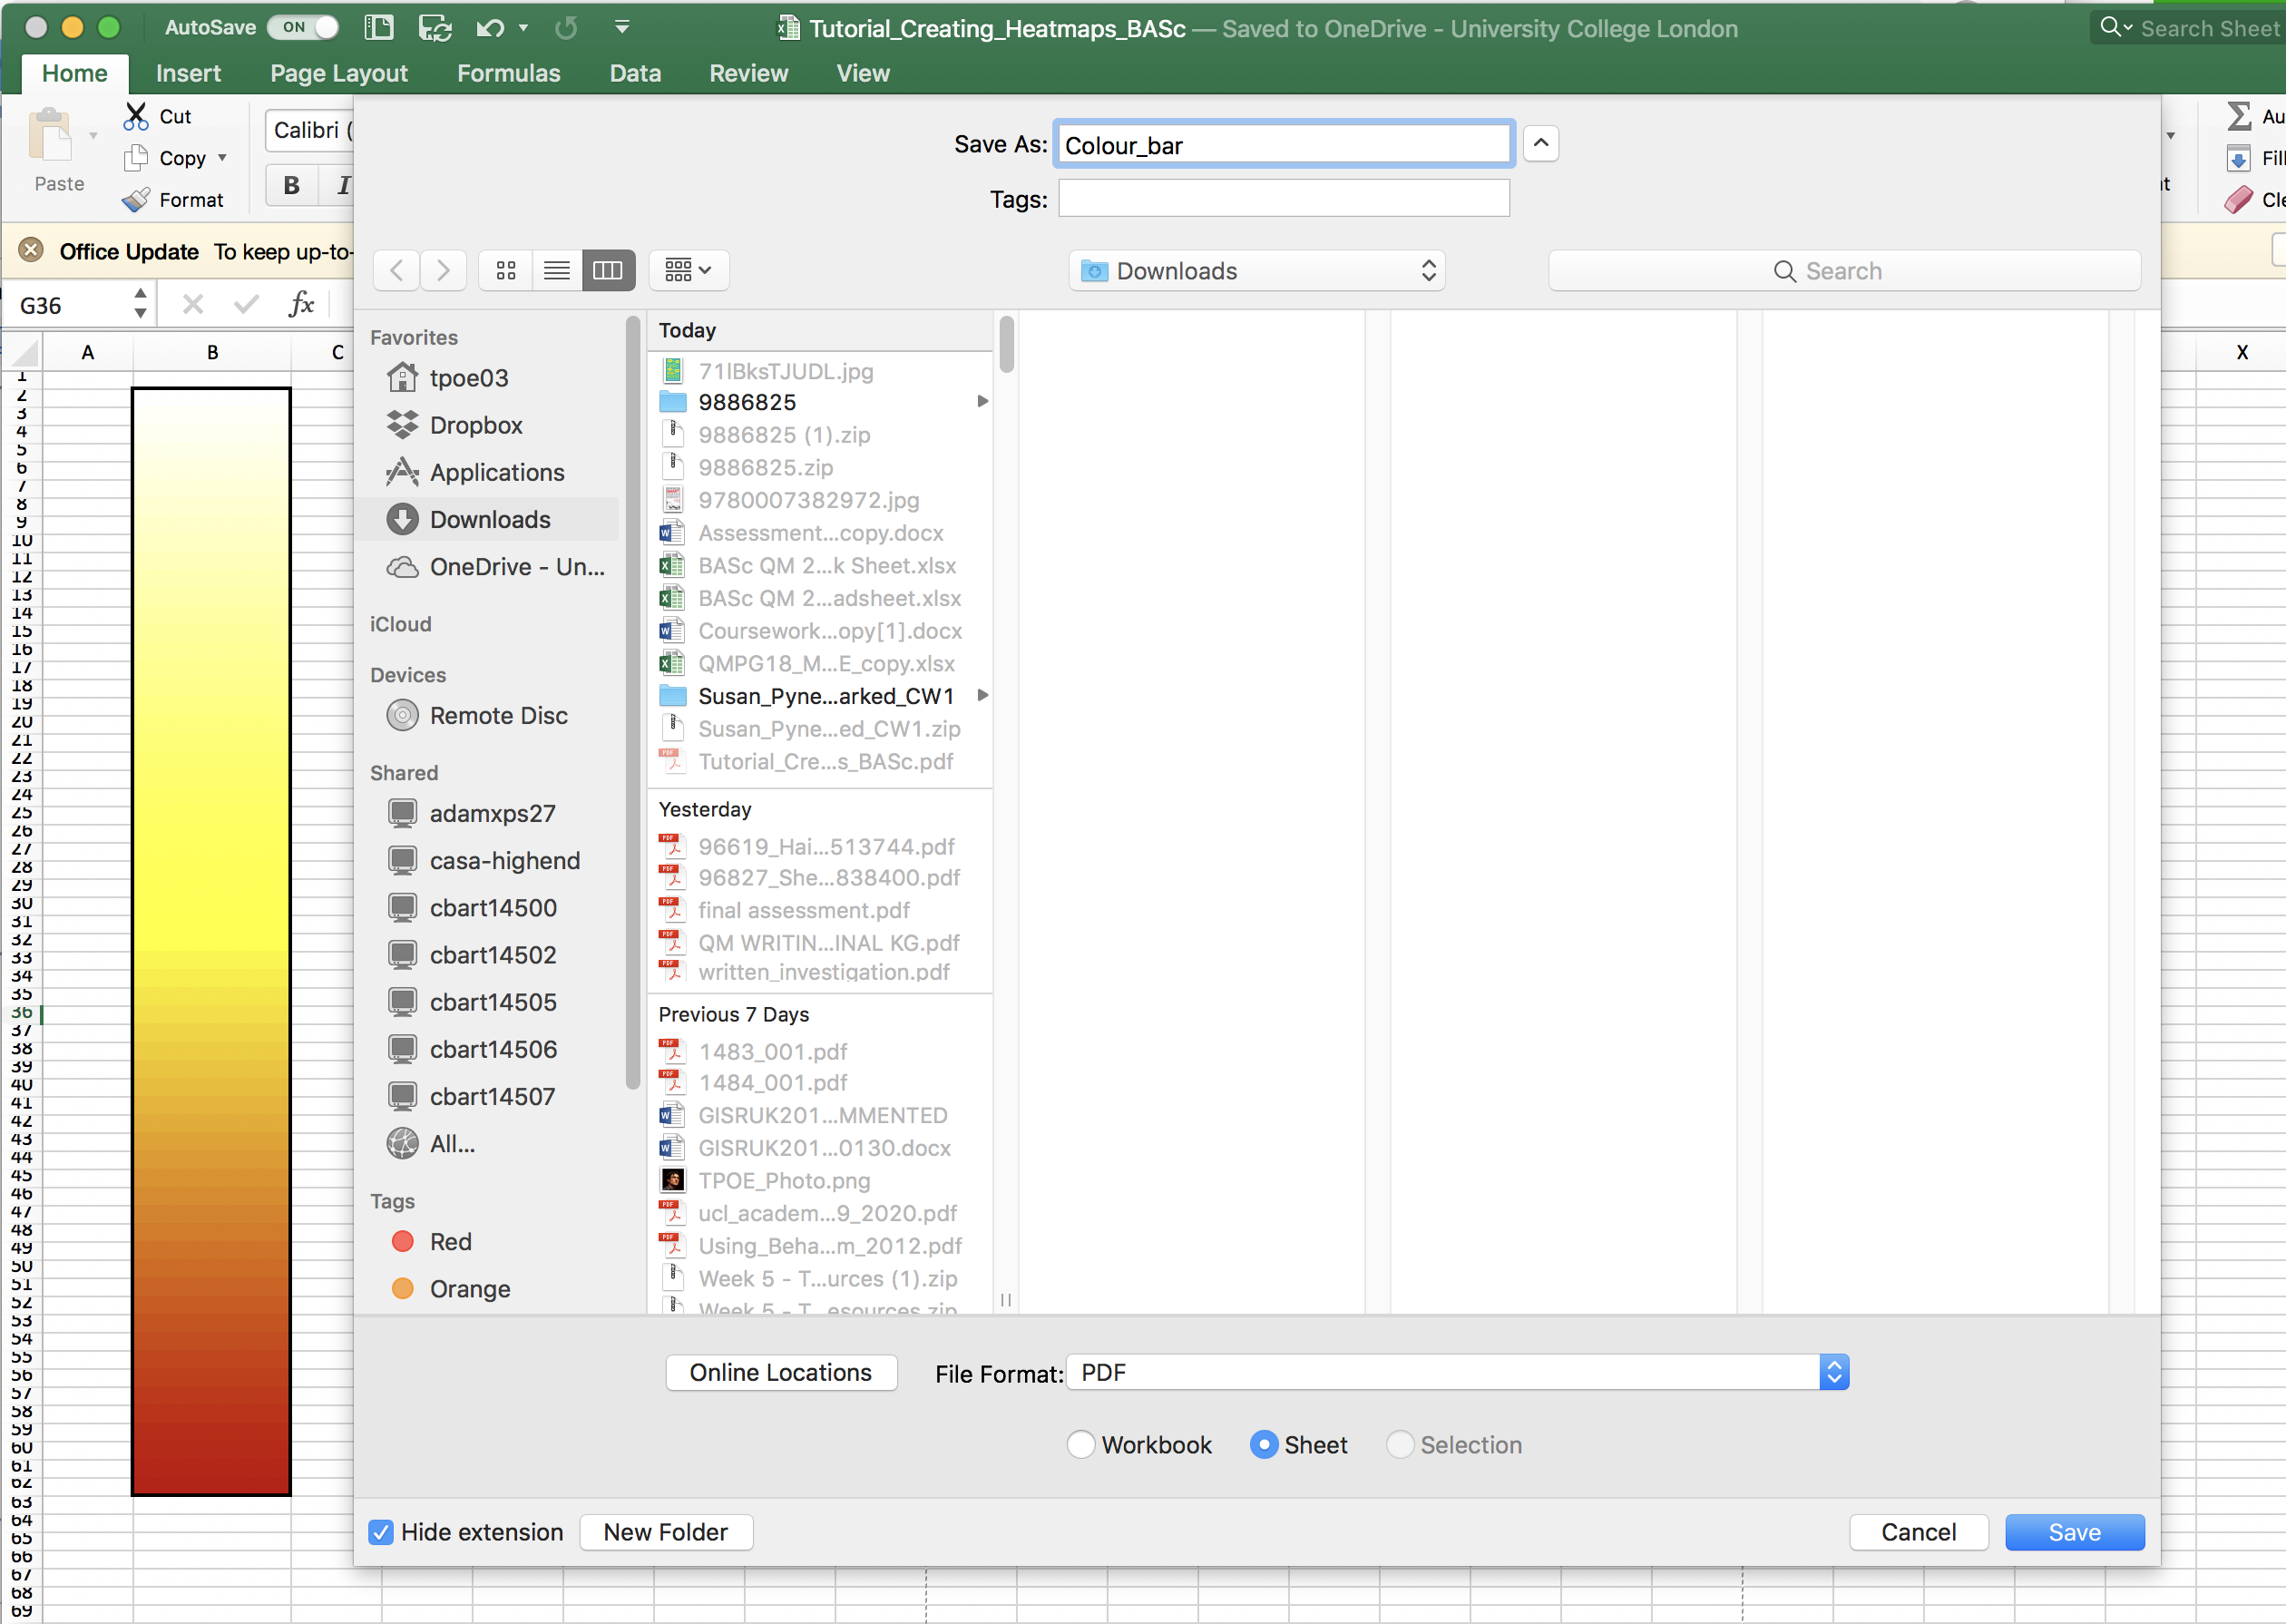
[SCREENSHOT]
STEP ELEVEN Set the File Format as 'PDF'
Select 'Sheet'.
Choose a location (e.g. Downloads) and save.

Step 12
STEP 12 Return to the tab with your heatmap.
Click a cell where you would like to add the colour bar.
Select:
Insert > Picture > Picture from File...
Find the saved colour bar and insert it.
 |  |  |  | p
 |  | 0.2 | 0.4 | 0.6 | 0.8 | 1
 | 20
 | 40
N | 60
 | 80
 | 100

Step 13
STEP 13 Resize the colour bar as required.
Align with numerals. So long as you line up the top and bottom values with the ends of the bar, the scale will be accurate. You can then (carefully) add intermediate values as appropriate.
 |  |  |  | p
 |  | 0.2 | 0.4 | 0.6 | 0.8 | 1
 | 20 |  |  |  |  |  | 30
 | 40
N | 60 |  |  |  |  |  | 15
 | 80
 | 100 |  |  |  |  |  | 0

Step 14
Heat map showing the relationship between number of initial infection sites (N), the infection probability (p) and the mean number of iterations to reach 100% infection
Mean number of iterations
to 100% infection (10 replicates)
STEP 14 Add titles and generally prettify.
Save this sheet as a pdf or an image file (as you did at step 11) for a figure that you can copy into your work.
 |  |  |  | p
 |  | 0.2 | 0.4 | 0.6 | 0.8 | 1
 | 20 |  |  |  |  |  | 30
 | 40
N | 60 |  |  |  |  |  | 15
 | 80
 | 100 |  |  |  |  |  | 0

